Instructions
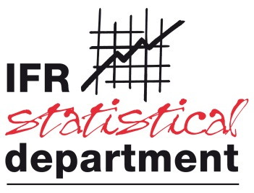
IFR SERVICE ROBOTS Statistics 2021

Company name:
Your name:
Business address:
Telephone number:
E-mail:

Please return to Mrs. Nina Kutzbach (nk@ifr.org) by January 31st, 2022
You are cordially invited to include case studies and photos (with captions) of your products, too. Please remember to complete the permission form (enclosed in the email that came with this survey).
Aims and scope of the survey
The IFR Service Robot Survey is an annual survey among service robot producers. Its aim is to give a comprehensive overview of the global market for service robots.
Compliance and privacy
IFR Statistical Department (IFR SD) adheres to antitrust compliance laws. IFR compliance and privacy rules guarantee that company-level data will neither ever be revealed nor be mathematically retrievable from published data. Only the IFR staff directly involved in data processing has access to company-level data. Please contact Christopher Müller (cm@ifr.org), Director of IFR SD, if you have any question regarding compliance or privacy of your data.
Definition of "service robots"
IFR generally adopts the definitions and terminology of ISO 8373:2012. There are, however, some refinements and intentional deviations from these definitions. The PDF that came with this questionnaire elaborates on these details as well as on excluded applications. Please read this document carefully to make sure your reporting is correct - The "garbage in - garbage out" rule applies to statistics, too.
Classification
IFR service robot statistics 2021 classify service robots by application The questionnaire contains brief descriptions or examples for each class. In case of doubt, IFR SD (statistics@ifr.org) will be glad to assist you finding the most suitable class for your robot.
Data requested/survey items
Units | Number of robot units sold
RaaS fleet | Number of robot units that your company operates as Robots-as-a-Service.

