Tabelle1
Mobile Manipulators

Contact:
Phone:
E-Mail:
Company:

Definitions
Mobile Manipulator | A robot with manipulation and locomotion capability (either integrated design or built from separate components, e.g. an industrial robot mounted to an AMR)
Industrial Robot | Industrial robots include all robot kinematics typically, but not exclusively, found in industrial robotics: articulated robots ("robot arms"), cartesian/linear/gantry, cylindrical, parallel, and SCARA robots.
Mobile Robot | Mobile Robots are robots able to travel under their own control.
Examples of typical mobile manipulators
(images are AI-rendered and do not display actual products)
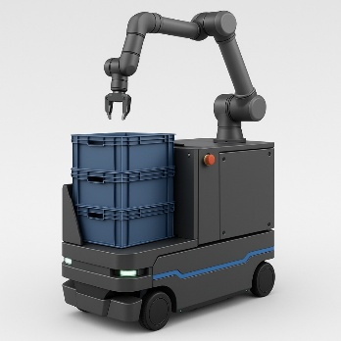 | 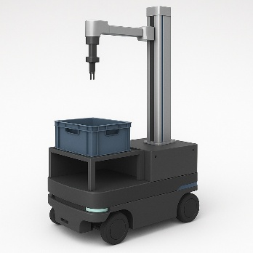
Please provide the number of mobile manipulators installed per year and -if possible- on the domain (industrial, service, medical):
 | year
 | 2024 | 2025
Industrial
Service
Medical
Unknown
Total | 0 | 0

Contact: Dr. Christopher Müller, IFR Statistical Department
cm@ifr.org

