Tabelle1
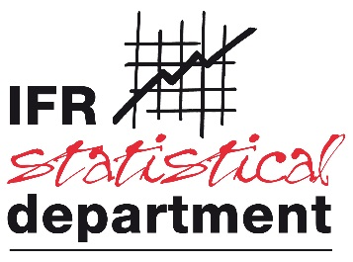

Collaborative Industrial Robots 2026

Contact:
Phone:
E-Mail:
Company:

Please provide data on collaborative robot sales as defined in the two discrete groups below:
Group A | A robot that is designed for collaborative use and it complies with ISO 10218-1
Group B | A robot that is designed for collaborative use but it does not satisfy the requirements of ISO 10218-1. This does not imply that these robots are unsafe. They may follow a different safety standard.

Please break out these two groups also by robot type, if possible.
 | year | Articulated Robots | Cartesian/ Gantry/ Linear Robots | Cylindrical Robots | SCARA | Other | Total
Group A | 2024 |  |  |  |  |  | 0
 | 2025 |  |  |  |  |  | 0
Group B Please specify the used safety standard* | 2024 |  |  |  |  |  | 0
 | 2025 |  |  |  |  |  | 0
 | Please specify:
* e.g. in-house standard/national standard

Notes:
The categorization into A and B is by self-declaration of the robot producers. If a robot producer does not know if its product satisfies the ISO standard, it will be treated as Group B.
The safety assessment of the final application is, although safety relevant, no determinant of the statistical classification.
There will be no summation of Group A and B.

Contact: Dr. Christopher Müller,IFR Statistical Department
cm@ifr.org

